Cross Wind Calculator
Wind vs Heading Graph

 | Plane Heading | 120 |  | X | 0 | 0.86602540378
 | True Air Speed | 95 |  | Y | 0 | -0.5
 | Wind Direction | 230
 | Wind Speed | 15 |  | X1 | 0 | -0.76604444312
 |  |  |  | Y1 | 0 | -0.64278760969

 | Wind Correction Angle:
 | 9.0

RWY Cross wind component (Calculator)

 | Runway (2 digits) | 27 |  | X wind: | 9.6 | KTS
 |  |  |  | H wind: | 11.5 | KTS
 |  |  |  | (negative Head wind = tail wind)
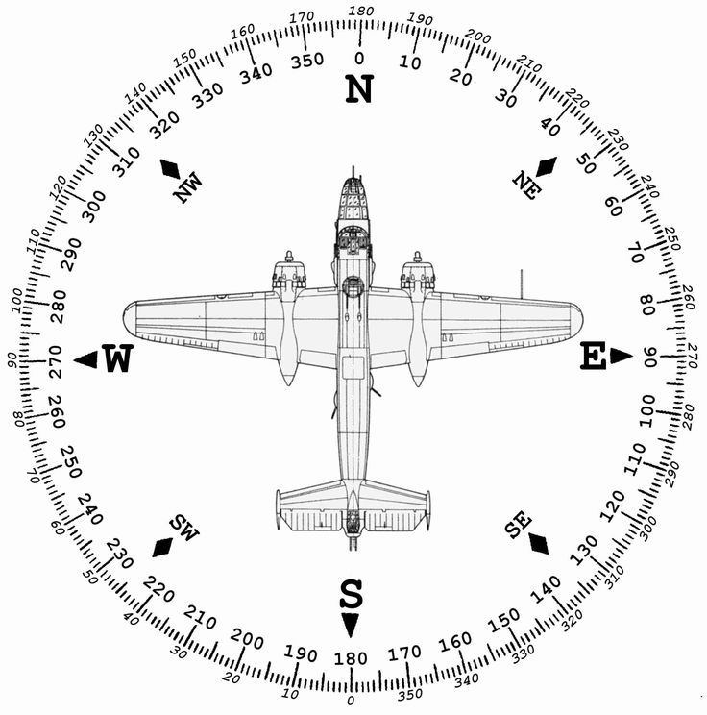
 | x | 1 | -1
 | y | 1.2251484549E-16 | -1.2251484549E-16

Mag Dev Compass Sample


